Table 1

Selected Acquisition Report (SAR)
RCS: DD-A&T(Q&A)823-391
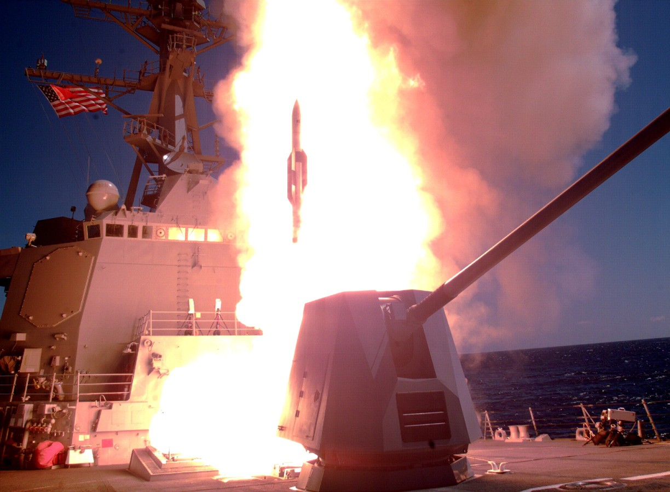
Standard Missile-6 (SM-6)
As of FY 2017 President's Budget
Defense Acquisition Management Information Retrieval
(DAMIR)

Table 9
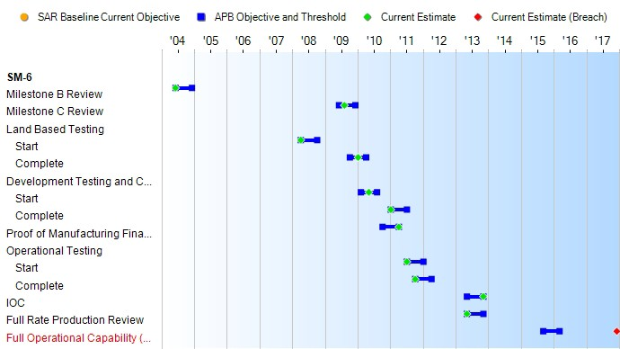
Schedule

Table 23
Unit Cost History
Item |  |  |  |  |  |  |  | Date |  |  |  | BY 2004 $M |  |  |  |  |  |  |  | TY $M
 |  |  |  |  |  |  |  |  |  |  |  | PAUC |  |  | APUC |  |  |  |  | PAUC |  |  |  | APUC

Original APB |  |  |  |  | Jul 2004 |  |  |  |  |  |  | 4.055 |  |  |  |  | 3.291 |  |  |  | 4.986 |  |  |  | 4.163
APB as of January 2006 |  |  |  |  | Jul 2004 |  |  |  |  |  |  | 4.055 |  |  |  |  | 3.291 |  |  |  | 4.986 |  |  |  | 4.163
Revised Original APB |  |  |  |  | N/A |  |  |  |  |  |  | N/A |  |  |  |  | N/A |  |  |  | N/A |  |  |  | N/A
Prior APB |  |  |  |  | Mar 2010 |  |  |  |  |  |  | 4.401 |  |  |  |  | 3.683 |  |  |  | 5.498 |  |  |  | 4.695
Current APB |  |  |  |  | Aug 2013 |  |  |  |  |  |  | 4.271 |  |  |  |  | 3.808 |  |  |  | 5.865 |  |  |  | 5.347
Prior Annual SAR |  |  |  |  | Dec 2014 |  |  |  |  |  |  | 3.962 |  |  |  |  | 3.498 |  |  |  | 5.389 |  |  |  | 4.870
Current Estimate |  |  |  |  | Dec 2015 |  |  |  |  |  |  | 4.020 |  |  |  |  | 3.556 |  |  |  | 5.450 |  |  |  | 4.932
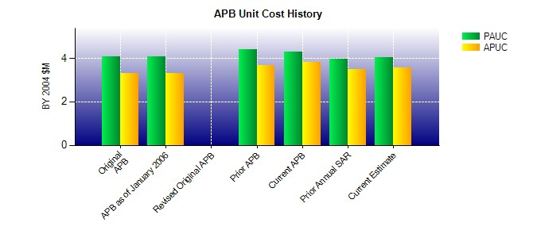
SAR Unit Cost History
Initial SAR Baseline to Current SAR Baseline (TY $M)
Initial PAUC Development Estimate | Changes |  |  |  |  |  |  |  |  |  |  |  |  |  |  |  |  |  |  |  |  |  | PAUC Production Estimate
 | Econ |  | Qty |  |  | Sch |  |  | Eng |  | Est |  |  | Oth |  | Spt |  |  | Total
4.986 0.114 0.000 -0.046 0.000 0.153 0.000 0.291 0.512 5.498
Current SAR Baseline to Current Estimate (TY $M)
PAUC Production Estimate |  | Changes |  |  |  |  |  |  |  |  |  |  |  |  |  |  |  |  |  |  |  | PAUC Current Estimate
 |  | Econ |  | Qty |  |  | Sch |  |  | Eng | Est |  | Oth |  | Spt |  |  | Total
5.498 -0.050 -0.377 0.141 0.000 0.050 0.000 0.188 -0.048 5.450

